Sheet1
Table 1: Quantitative Data of mass of copper deposited at cathode over 5 different time intervals during copper electrolysis over a constant current

Time t (s) ±1s | Current (A) ±0.05A | Mass of nickel strip (g) ±0.001g
 |  | Trial 1 |  | Trial 2 |  | Trial 3 |  |  |  |  |  | Table : Linear Regression Analysis of mass of copper deposited at cathode over 5 different time intervals during copper electrolysis
 |  | Initial | Final | Initial | Final | Initial | Final |  |  |  |  |  | sum |  |  |  |  |  | m (slope) | b (constant) | Errors δ
240 | 0.50 | 1.051 | 1.065 | 1.067 | 1.087 | 1.061 | 1.082 |  |  |  |  |  | x | x^2 | (sum x)^2 | y | y^2 | xy |  |  | m | b
300 | 0.50 | 1.059 | 1.081 | 1.043 | 1.058 | 1.049 | 1.081 |  |  |  |  |  | 1800.00 | 684000.00 | 3240000 | 0.00 | 0.000 | 0.00 | 0.000000 | 0.00 | 0.00000 | 0.000
360 | 0.50 | 1.059 | 1.094 | 1.043 | 1.081 | 1.060 | 1.084 |  |  |  |  | Equation | y= (0. ± 0.)x + (0. ± 0.) g/s
420 | 0.50 | 1.029 | 1.081 | 1.074 | 1.102 | 1.066 | 1.096
480 | 0.50 | 1.041 | 1.093 | 1.048 | 1.092 | 1.052 | 1.090 |  |  |  |  | max fit
 |  |  |  |  |  |  |  |  |  |  |  |  | 720.00 | 287522.00 | 518400.00 | 0.00 | 0.00 | 0.476 | 1.68067E-05
 |  |  |  |  |  |  |  |  |  |  |  |  |  |  |  |  |  |  |  |  |  | 0
 |  | Table 2: Processed data of copper deposited at cathode over 5 different time intervals during copper electrolysis over a constant current
 |  | Time t (s) ±1s | Mass plated m (g) ±0.002g |  |  | Average Mass plated (g) ±0.06g
 |  |  | Trial 1 | Trial 2 | Trial 3 |  |  | min fit |  | max fit
 |  | 240 |  |  |  |  |  | 239.00 | 0.00 | 241.00 | 0.00
 |  | 300 |  |  |  |  |  | 481.00 | 0.00 | 479.00 | 0.00
 |  | 360
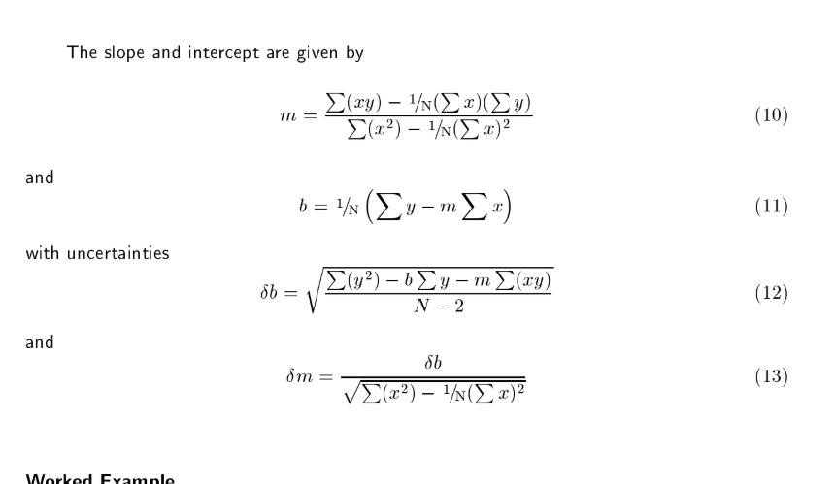
 |  | 420
 |  | 480

 | theoretical
 | Current (A) ±0.05A | Time t (s) ±1.0s | Theoretical Mass plated m (g) | Uncertaintly of Theoretical Mass plated m (g) | Average Experimental Mass plated (g) ±0.02g | Percentage Uncertainty of Mass plated (%) | Percentage error (%)
 | 0.50 | 240.0
 | 0.50 | 300.0
 | 0.50 | 360.0
 | 0.50 | 420.0
 | 0.50 | 480.0

Average Mass Deposited over Time on a Nickel Cathode in Electrolysis Reaction Between Copper and Nickel
 | Min fit line |  | Max fit line |  | Experimental Values
239.00 | 0.00 | 241.00 | 0.00 | 240
481.00 | 0.00 | 479.00 | 0.00 | 300
 |  |  |  | 360
 |  |  |  | 420
 |  |  |  | 480
Experimental Mass Deposited and Theoretical Mass Deposited over Time on a Nickel Cathode in Electrolysis Reaction Between Copper and Nickel
 | Max fit line |  | Min fit line |  | Experimental Values |  | Theoretical Values
241.00 | 0.00 | 239.00 | 0.00 | 240 |  | 240.0
479.00 | 0.00 | 481.00 | 0.00 | 300 |  | 300.0
 |  |  |  | 360 |  | 360.0
 |  |  |  | 420 |  | 420.0
 |  |  |  | 480 |  | 480.0

